RegistrationFormCheck
Check registration form
 | User name | E-mail | Password | Password confirmation | Expected result | Group
1 | non-blank | valid value | valid value | equal | User is registered | UserName field test
2 | blank | valid value | valid value | equal | 'Enter your name' message
3 | blank | blank | valid value | equal | 'Enter your email' message | 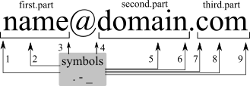 E-mail field tests
4 | valid value | Capital letters | valid value | equal | User is registered
5 | valid value | Small letters | valid value | equal | User is registered
6 | valid value | Numbers in the positions 1-3 | valid value | equal | User is registered
7 | valid value | Numbers in the positions 4-6 | valid value | equal | User is registered
8 | valid value | Numbers in the positions 7-9 | valid value | equal | User is registered
9 | valid value | with special characters | valid value | equal | 'Enter a valid email address' message
10 | valid value | without@ | valid value | equal | 'Enter a valid email address' message
11 | valid value | more than 1 @ | valid value | equal | 'Enter a valid email address' message
12 | valid value | without . after @ | valid value | equal | 'Enter a valid email address' message
13 | valid value | cyrilic letters | valid value | equal | 'Enter a valid email address' message
14 | valid value | In the positions 7-9 - 1 letter | valid value | equal | 'Enter a valid email address' message
15 | valid value | In the positions 7-9 - 2 letters | valid value | equal | User is registered
16 | valid value | . in the position 1 | valid value | equal | User is registered |  | Boundary values + equivalence partitioning
17 | valid value | . in the position 2 | valid value | equal | User is registered
18 | valid value | . in the position 3 | valid value | equal | User is registered
19 | valid value | . in the position 4 | valid value | equal | 'Enter a valid email address' message
20 | valid value | . in the position 5 | valid value | equal | User is registered
21 | valid value | . in the position 6 | valid value | equal | 'Enter a valid email address' message
22 | valid value | . in the position 9 | valid value | equal | 'Enter a valid email address' message
23 | valid value | _ in the position 1 | valid value | equal | User is registered |  | Boundary values + equivalence partitioning
24 | valid value | _ in the position 2 | valid value | equal | User is registered
25 | valid value | _ in the position 3 | valid value | equal | User is registered
26 | valid value | _ in the position 4 | valid value | equal | 'Enter a valid email address' message
27 | valid value | _ in the position 5 | valid value | equal | 'Enter a valid email address' message
28 | valid value | _ in the position 6 | valid value | equal | 'Enter a valid email address' message
29 | valid value | _ in the position 7 | valid value | equal | 'Enter a valid email address' message
30 | valid value | _ in the position 8 | valid value | equal | 'Enter a valid email address' message
31 | valid value | _ in the position 9 | valid value | equal | 'Enter a valid email address' message
32 | valid value | - in the position 1 | valid value | equal | User is registered |  | Boundary values + equivalence partitioning
33 | valid value | - in the position 2 | valid value | equal | User is registered
34 | valid value | - in the position 3 | valid value | equal | User is registered
35 | valid value | - in the position 4 | valid value | equal | User is registered
36 | valid value | - in the position 5 | valid value | equal | User is registered
37 | valid value | - in the position 6 | valid value | equal | User is registered
38 | valid value | - in the position 7 | valid value | equal | 'Enter a valid email address' message
39 | valid value | - in the position 8 | valid value | equal | 'Enter a valid email address' message
40 | valid value | - in the position 9 | valid value | equal | 'Enter a valid email address' message
41 | non-blank | valid value | blank | equal | 'Enter your password' message | Password field tests, Boundary values
42 | non-blank | valid value | 1 symbol | equal | 'Passwords must be at least 6 characters' message
43 | non-blank | valid value | 5 symbols | equal | 'Passwords must be at least 6 characters' message
44 | non-blank | valid value | 6 symbols | equal | User is registered
45 | non-blank | valid value | valid value | non-equal | 'Type your password again' message | Re-type password fiels tests
46 | non-blank | valid value | valid value | equal | User is registered

 | Back to Functional Testing

Purchase
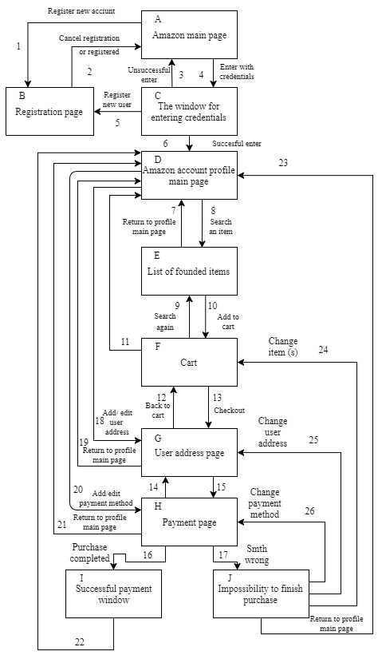
Purchase process (State Transition)
 | Successful buying
 | A1-B2-A4-C5-A2-A4-C6-D20-I21-D18-G19-D8-D7-D8-E10-F9-E10-F11-D8-E10-F13-G12-F13-G15-H14-G15-H16-I22
 | Unsuccessful buying
 | A4-B3-C6-D8-E10-F13-G15-H17-J24-F13-G15-H17-J25-G15-H17-J26-H17-J23

Back to Funstional testing

